Indices

 | Iraq Stock Exchange
 | Bulletin No (94)
 | ISX Trading Indices of Monday 1/6/2026

 | Traded Volume and OTC |  | 27,938,712,474 |  | Traded Value and OTC |  | 28,637,440,940 |  | Traders | 1343
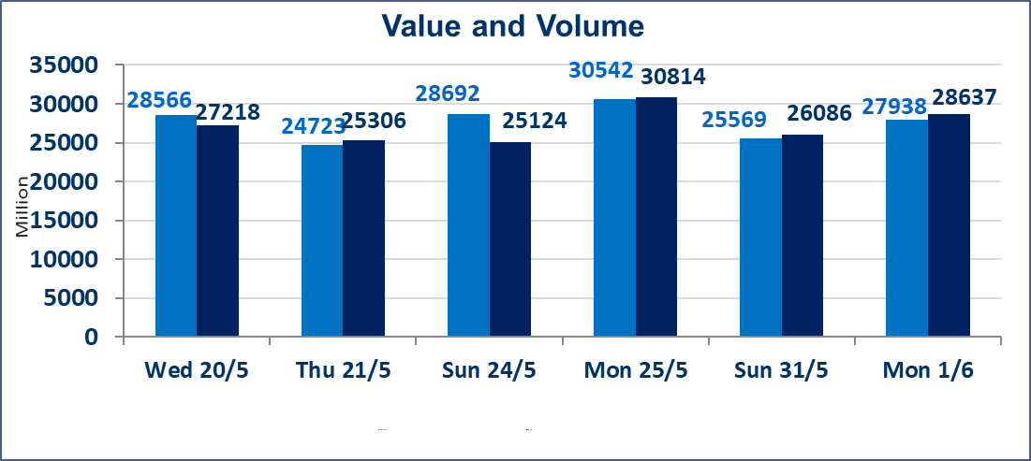
 | ISX Index 60 |  |  | 948.08 | ISX Index 15 |  |  | 1193.54
 | Previous ISX Index60 |  |  | 958.70 | Previous ISX Index15 |  |  | 1200.70
 | Change % |  |  | -1.11 | Change % |  |  | -0.60
 | Change |  |  | -10.62 | Change |  |  | -7.16

 | Listed Companies | 103 | OTC | 14 | Non Traded listed | 39 | OTC | 13
 | Traded Listed Companies | 49 | OTC | 1 | Higher Companies |  |  | 13
 | GAM Companies |  |  | 6 | Lower Companies |  |  | 12
 | Suspended Companies |  |  | 9
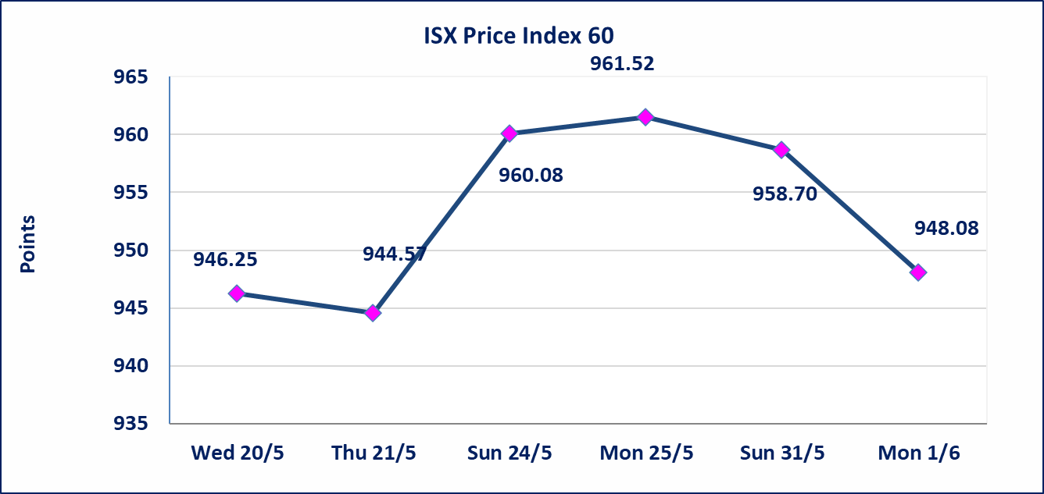
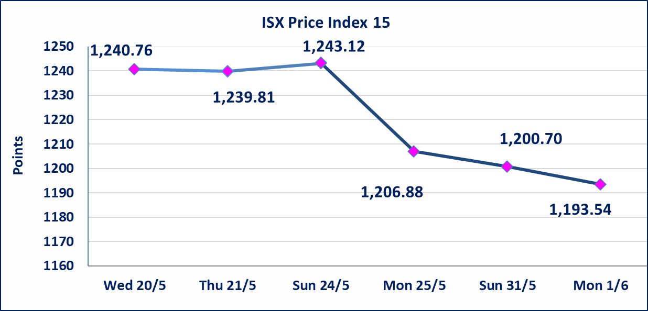

 | special orders | Elaf Brokerage Company executed a deliberate cross order on the shares of Al Qurtas Bank Company with a number of shares (27,500,000,000) shares with a value of (27,500,000,000) dinars, during the additional session time (after 1 pm) in accordance with the procedures for executing large transactions.
Al-Alwiya P.O . 3607 Mobile: 07711211522 - 07270094594 - 07834000034 E-mail: info-isx@isx-iq.net Web site:www.isx-iq.net

Top 5
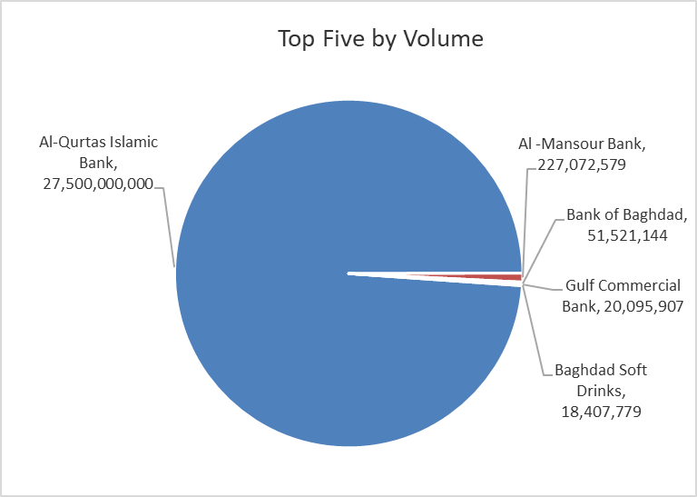
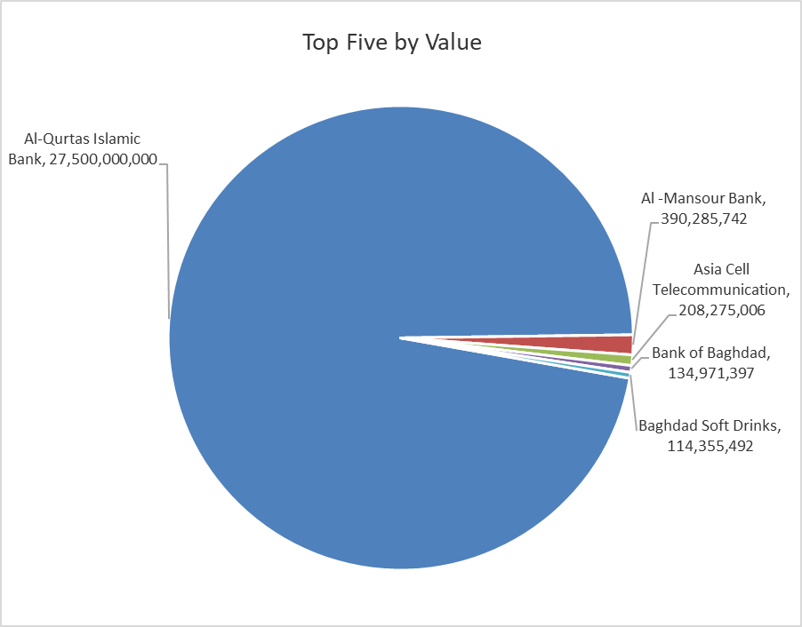

ISX top ganing and losing companies
Monday 1/6/2026
 | Gainers |  |  |  | Losers
 | Company Name | Closing Price | Change (%) | Traded Volume | Company Name | Closing Price | Change (%) | Traded Volume
 | United Bank | 0.060 | 20.00 | 10,000 | Middle East Bank | 0.080 | -11.11 | 3,321,961
 | Mansour Hotel | 68.000 | 4.62 | 778,531 | AL-Badia for General Trans | 1.400 | -9.68 | 106,420
 | Ashour Hotel | 29.000 | 3.57 | 10,000 | Baghdad Hotel | 11.550 | -7.60 | 52,396
 | Kurdistan International Bank | 1.200 | 3.45 | 17,971 | Al-Mansour Pharmaceuticals Industries | 2.400 | -4.00 | 14,258,960
 | Al-Khatam Telecom | 4.700 | 2.17 | 544,061 | Fallujah for construction Materials | 2.790 | -3.79 | 808,429
 | The most active companies in term of traded volume and value

 | Traded Volume |  |  |  | Traded Value
 | Company Name | Closing Price | Change (%) | Traded Volume | Company Name | Closing Price | Change (%) | Traded Value
 | Al-Qurtas Islamic Bank | 1.000 | 0.00 | 27,500,000,000 | Al-Qurtas Islamic Bank | 1.000 | 0.00 | 27,500,000,000
 | Al -Mansour Bank | 1.710 | -1.16 | 227,072,579 | Al -Mansour Bank | 1.710 | -1.16 | 390,285,742
 | Bank of Baghdad | 2.600 | -3.35 | 51,521,144 | Asia Cell Telecommunication | 15.300 | 0.26 | 208,275,006
 | Gulf Commercial Bank | 0.380 | 0.00 | 20,095,907 | Bank of Baghdad | 2.600 | -3.35 | 134,971,397
 | Baghdad Soft Drinks | 6.210 | -0.96 | 18,407,779 | Baghdad Soft Drinks | 6.210 | -0.96 | 114,355,492

Non Iraqis

Iraq Stock Exchange
Non Iraqis' Bulletin Monday Jun 1 2026
Regular Market

Non Iraqi Trading of Regular Market (Buy)
Company Names | Code | No.of trades | Traded Shares | Trading Volume
Banks Sector
National Bank Of Iraq | BNOI | 12 | 500,000 | 2,030,000
Total Bank sector |  | 12 | 500,000 | 2,030,000
Grand Total |  | 12 | 500,000 | 2,030,000

Not Trading Bonds

Iraq Stock Exchange
Monday 1/6/2026
Not Trading Bonds Bulletin
Bond type | Publish type | Code | last trading price | immortilize date
Banaa Bonds /Million ID | Second | CB20 | 964,981 | 19/12/2025
Eamar Bonds /Million ID | First | CB30 | 1,001,095 | ــــــــــــــــ
Eamar Bonds /Million ID | Second | CB40 | ــــــــــــــــ | ــــــــــــــــ
Eamar Bonds /500 Thousand ID | Third | CB45 | ــــــــــــــــ | ــــــــــــــــ
Eamar Bonds /Million ID | Third | CB50 | ــــــــــــــــ | ــــــــــــــــ
Injaz Bonds /500 Thousand ID | First | CB55 | ــــــــــــــــ | ــــــــــــــــ
Injaz Bonds /Million ID | First | CB60 | 951,110 | ــــــــــــــــ
Injaz Bonds /500 Thousand ID | Second | CB65 | 511,000
Injaz Bonds /Million ID | Second | CB70 | 965,050 | ــــــــــــــــ
Injaz Bonds /500 Thousand ID | Third | CB75 | ــــــــــــــــ | ــــــــــــــــ
Injaz Bonds /Million ID | Third | CB80 | 978,182 | ــــــــــــــــ
National Bonds/Million ID | First | CB90 | ــــــــــــــــ | ــــــــــــــــ
National Bonds/500 Thousand ID | Second | CB95 | ــــــــــــــــ | ــــــــــــــــ
National Bonds/Million ID | Second | CB100 | ــــــــــــــــ | ــــــــــــــــ

